Instructions
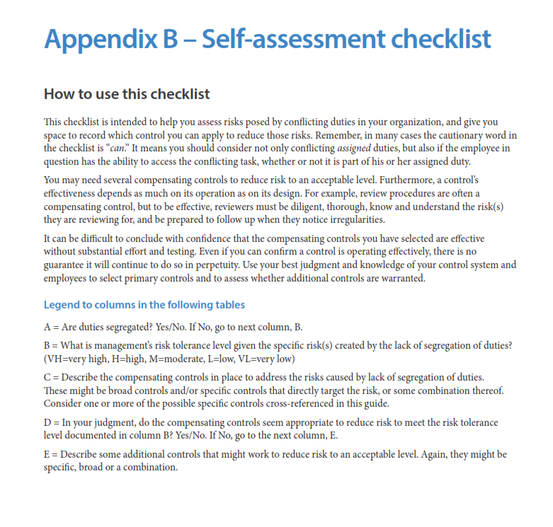
Template: | Self-assessment checklist from the Segregation of Duties: Essential Internal Controls Guide
 | To view the full guide, see the guide in our Resource Database: https://portal.sao.wa.gov/PerformanceCenter/#/address?mid=6&rid=18538

Disclaimer: | This resource is provided for informational purposes only. It does not represent prescriptive guidance, legal advice, an audit recommendation, or audit assurance. It does not relieve governments of their responsibilities to assess risks, design appropriate controls, and make management decisions.

Instructions:

