6 - Sensitivity - Notes
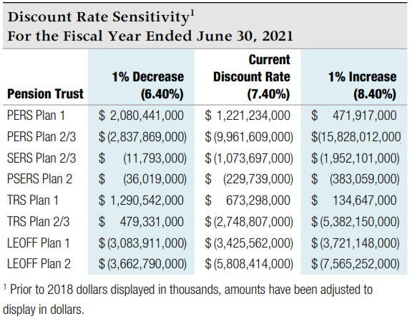
Sensitivity Analysis - for note disclosure

The table below presents the collective net pension liability or asset for each plan, calculated using the current discount rate of as well as 1 percentage point lower and 1 percentage point higher. To calculate the amounts for your individual employer note disclosures, enter your allocation percentages for each plan in the appropriate box in the far left column.
 |  |  |  | Volunteer Firefighters' and Reserve Officers' Relief and Pension Fund (VFFRPF):

 |  |  |  | Note that this plan has a different discount rate. Individual employer percentages are available from the State Board website - bvff.wa.gov

Your Allocation % | 1% Decrease | Current Rate | 1% Increase | Your Allocation % | 1% Decrease | Current Rate | 1% Increase
 | 6.00% | 7.00% | 8.00% |  | 5.00% | 6.00% | 7.00%

PERS 1 | 3,719,876,000 | 2,784,367,000 | 1,967,887,000 | VFFRPF | 60,377,000 | 28,264,000 | 2,013,000
 | 0 | 0 | 0 |  | 0 | 0 | 0

PERS 2/3 | 4,367,575,000 | (3,708,781,000) | (10,344,018,000)
 | 0 | 0 | 0

SERS 2/3 | 929,172,000 | (268,650,000) | (1,255,926,000)
 | 0 | 0 | 0

PSERS 2 | 170,301,000 | (71,500,000) | (262,334,000)
 | 0 | 0 | 0

TRS 1 | 2,582,448,000 | 1,901,830,000 | 1,306,883,000
 | 0 | 0 | 0

TRS 2/3 | 3,565,129,000 | (196,786,000) | (3,255,167,000)
 | 0 | 0 | 0

LEOFF 1 | (2,513,869,000) | (2,868,613,000) | (3,176,231,000)
 | 0 | 0 | 0

LEOFF 2 | (125,147,000) | (2,717,698,000) | (4,839,479,000)
 | 0 | 0 | 0

Source - collective net pension liability amounts from Note 4.C of DRS
Participating Employer Financial Information report dated 6/30/21.

