6 - Sensitivity - Notes
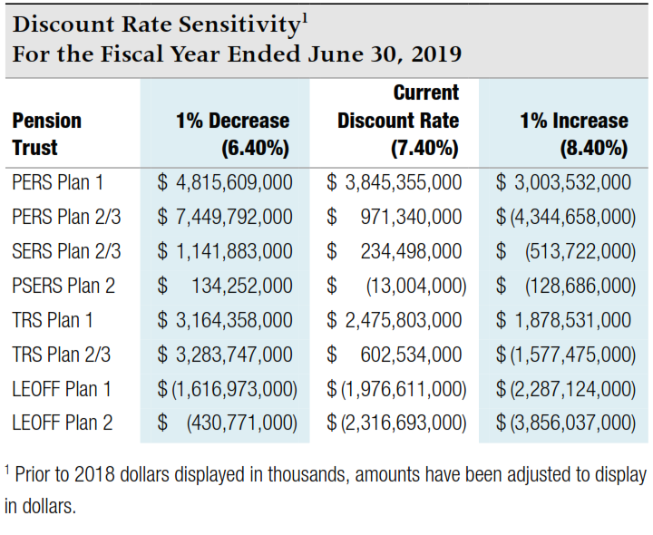
Sensitivity Analysis - for note disclosure

The table below presents the collective net pension liability or asset for each |  |  |  | Volunteer Firefighters' and Reserve Officers' Relief and Pension Fund (VFFRPF):
plan, calculated using the current discount rate of 7.4% as well as 1 percentage |  |  |  | Note that this plan has a different discount rate.
point lower (6.4%) and 1 percentage point higher (8.4%). To calculate the |  |  |  | Note that this plan has a net pension asset.
amounts for your individual employer note disclosures, enter your allocation |  |  |  | Individual employer percentages are available from the State Board
percentages for each plan in the appropriate box in the far left column. |  |  |  | website - bvff.wa.gov

Your |  |  |  | Your
Allocation % | 1% Decrease | Current Rate | 1% Increase | Allocation % | 1% Decrease | Current Rate | 1% Increase
Here | 6.40% | 7.40% | 8.40% | Here | 6.00% | 7.00% | 8.00%

PERS 1 | 4,815,609,000 | 3,845,355,000 | 3,003,532,000 | VFFRPF | (43,519,000) | (67,993,000) | (87,922,000)
0.236711% | 11,399,076 | 9,102,378 | 7,109,691 |  | 0 | 0 | 0

PERS 2/3 | 7,449,792,000 | 971,340,000 | (4,344,658,000)
0.285886% | 21,297,912 | 2,776,925 | (12,420,769)

SERS 2/3 | 1,141,883,000 | 234,498,000 | (513,722,000)
 | 0 | 0 | 0

PSERS 2 | 134,252,000 | (13,004,000) | (128,686,000)
0.278297% | 373,619 | (36,190) | (358,129)

TRS 1 | 3,164,358,000 | 2,475,803,000 | 1,878,531,000
 | 0 | 0 | 0

TRS 2/3 | 3,283,747,000 | 602,534,000 | (1,577,475,000)
 | 0 | 0 | 0

LEOFF 1 | (1,616,973,000) | (1,976,611,000) | (2,287,124,000)
0.144062% | (2,329,444) | (2,847,545) | (3,294,877)

LEOFF 2 | (430,771,000) | (2,316,693,000) | (3,856,037,000)
0.582174% | (2,507,837) | (13,487,184) | (22,448,845)

Source - collective net pension liability amounts from Note 4.C of DRS
Participating Employer Financial Information report dated 6/30/19.

